Quotation
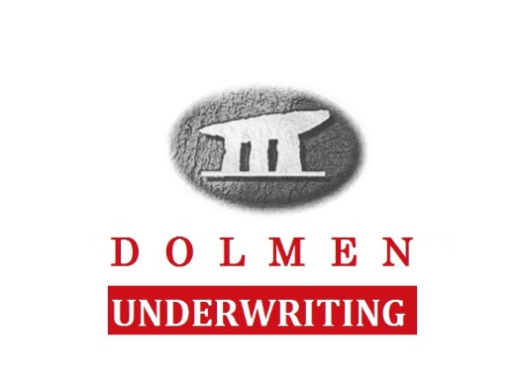

 |  | Directors & Officers Insurance QQF

 |  |  |  |  |  | V11 06/21

 | IMPORTANT NOTICE Failure to disclose material facts or circumstances could result in Your policy being invalidated. Material facts and circumstances are those which the Underwriter may wish to know in deciding whether to underwrite the risk and/or the terms upon which to underwrite the risk. They may be relevant either to the physical risk or to the personal background and characteristics (including financial) of You and/or any director, partner, officer and/or principal of Your Business. It is important that Your Business should have a system in place to ensure that all material facts and circumstances are disclosed. Should You be in any doubt as to whether information is accurate or material, You should discuss it with Your Agent. If in doubt, You should disclose it. We are keen to work in partnership with You to avoid any misunderstandings

 | Proposer Name |  |  | Renewal Date

 | Name of Management Company:

 | Company Address |  |  | Postal Address
 |  |  |  | (if different from company address)

1 | Number of individual flats and /or houses managed by the Management Company:
2 | If you have a current policy what is the Prior and Pending Litigation date?
3 | What date would you like cover to start?
4 | Are the units located in Private Residential Estates or Commercial Business Parks / Industrial Estates |  |  |  | Please Select

 | Please confirm the following statements :
5 | The Management Company is registered in Ireland as a limited liability company or a company limited by guarantee, or the Management Company is organised on a formal basis with an agreed constitution and has elected committee members |  |  |  | Please Select
6 | The Management Company’s principle function is the management of services and maintenance of its shareholders’ or members’ residential flats or houses |  |  |  | Please Select
7 | The Management Company’s latest annual report and accounts show positive net funds (total assets minus total liabilities) |  |  |  | Please Select
8 | No claim has been brought against any past or present director, officer or committee member of the Management Company |  |  |  | Please Select
9 | The Management Company has no previous claims and the directors, officers or committee members are not aware, after enquiry of any circumstances which may lead to claims against any past or present director, officer or committee member of the Management Company or against the Management Company. |  |  |  | Please Select
10 | If NO, please provide full information so that we can consider your proposal

11 | Limit of Indemnity required |  |  |  | €250,000
12 | Number of units managed

 | Insured by HCC International Insurance Company PLC
 | Premium subject to completed Statement of Fact and the risks being claims free.

 |  |  | I agree in full to the assumptions attached | Yes

 |  |  | Premium incl Levy & Fees* | #N/A

 | The above quotation is inclusive of 5% Government levy, 20% Brokerage Fee |  |  |  | #N/A
 | and, 20% Commission to you | #N/A

 | This quotation is an indication of price only and subject to acceptance by insurers. Errors & Omissions excepted.

Quote Valid for 30 days |  |  |  |  |  |  | Quick Quote Version V11 06-21

Dolmen Insurance Brokers Ltd. T/A Dolmen Underwriting, is regulated by the Central Bank of Ireland

